Decision Tree
Restaurants | App | Take Out Service | Town Population | Outdoor Dining | Distance from Town Center | Monthly Revenue
LPK | 1 | 0 | 70,000 | 0 | 4 | $147,900
WDU | 0 | 1 | 140,000 | 0 | 2 | $492,000
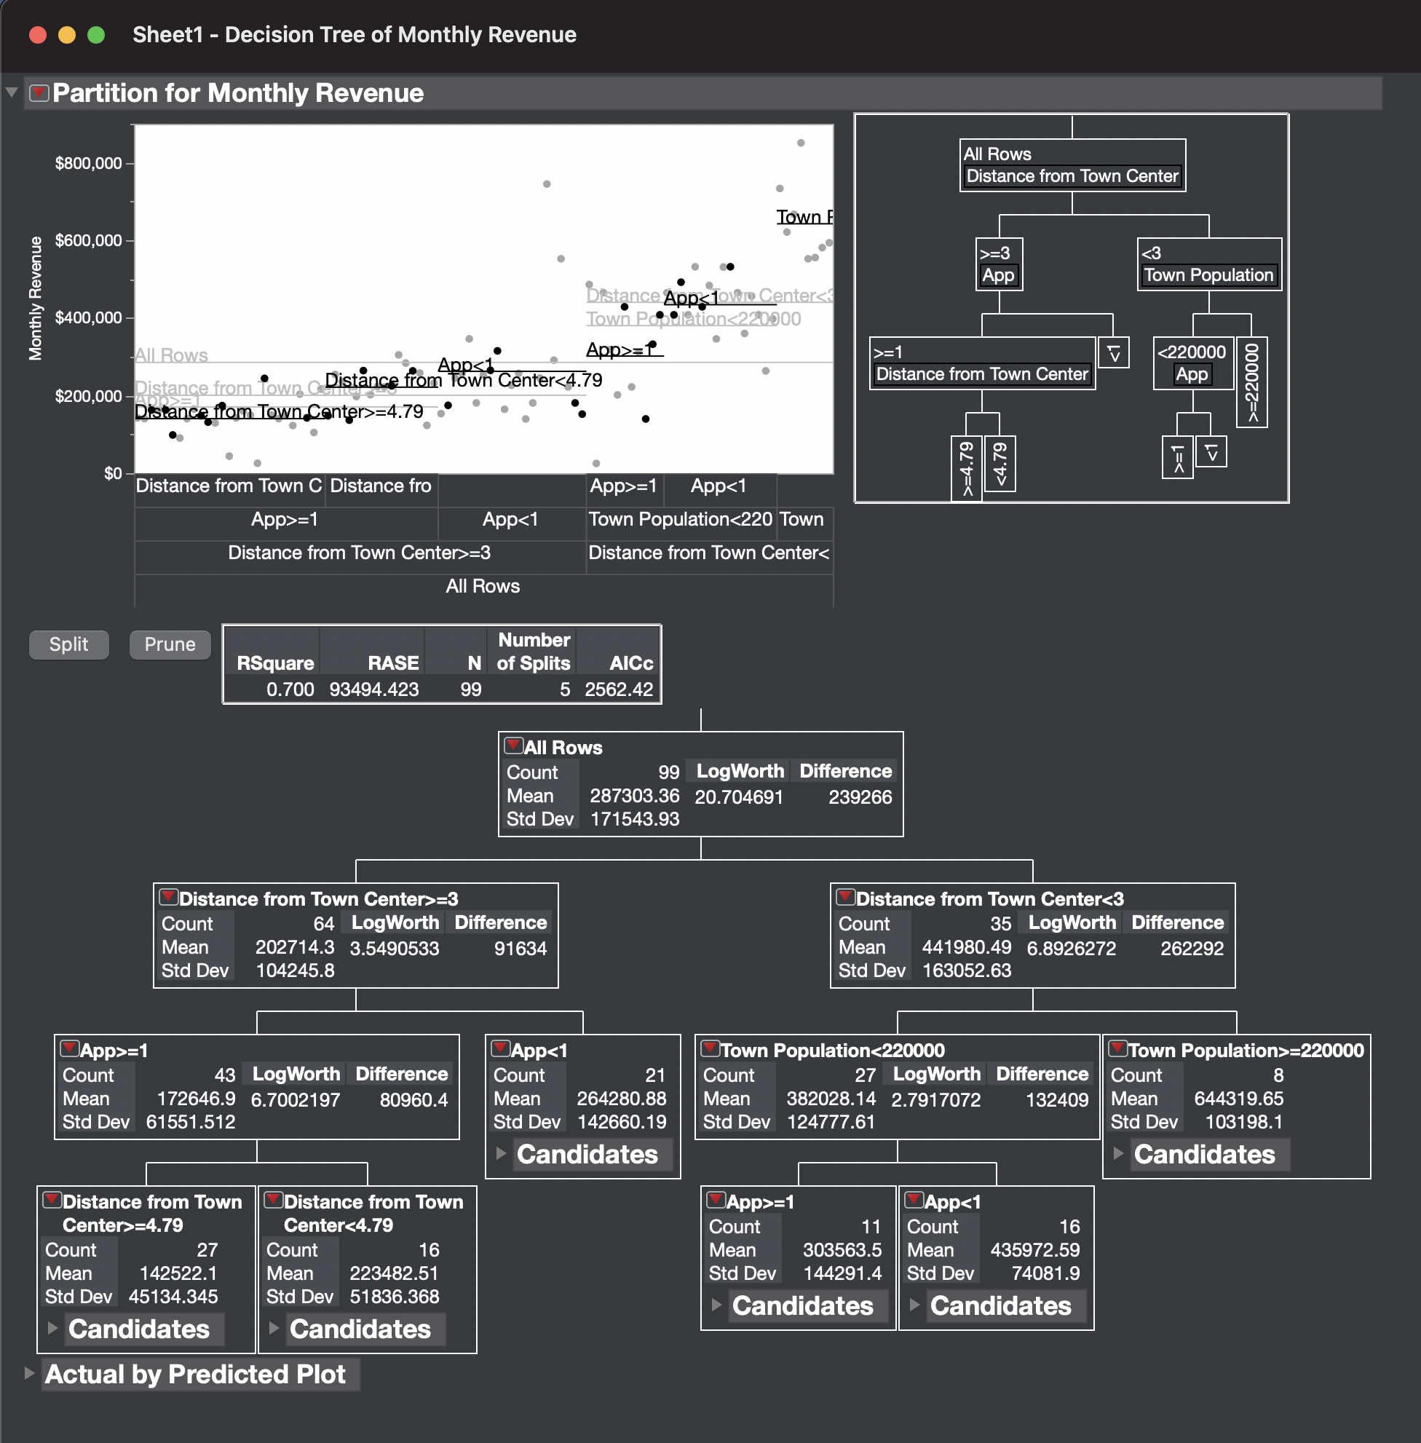
LJP | 1 | 0 | 50,000 | 0 | 5 | $148,000 | Q1) | NO OF MONTHS | Last Month Profit | MONTHLY RENT | OPERATING COST | RENOVATION | MONTHLY REVENUE | PROFITS
SMM | 1 | 1 | 130,000 | 0 | 5 | $225,000
SLV | 0 | 1 | 140,000 | 0 | 3 | $428,583 |  | 1 | 0 | 5000 | 350000 | 85000 | 382028 | -57972
NGT | 0 | 1 | 110,000 | 0 | 4 | $315,146 |  | 2 | 57973 | 5000 | 350000 | 0 | 382028 | -30945
WWD | 1 | 0 | 50,000 | 0 | 3 | $136,700 |  | 3 | 30945 | 5000 | 350000 | 0 | 382028 | -3917
ARR | 0 | 0 | 100,000 | 0 | 5 | $174,896 |  | 4 | 3917 | 5000 | 350000 | 0 | 382028 | 23111
PLM | 1 | 1 | 80,000 | 0 | 5 | $264,271
AVL | 0 | 1 | 190,000 | 1 | 2 | $531,708
SPK | 1 | 1 | 110,000 | 0 | 6 | $174,208
FJK | 1 | 1 | 90,000 | 0 | 6 | $142,583
SRD | 1 | 1 | 80,000 | 0 | 2 | $139,833
VAR | 1 | 1 | 100,000 | 1 | 5 | $263,583 |  | SOLUTION - The Restaurant would be profitable at the end of MONTH 4 and the profit at the end of the month is = $ 23111
DME | 1 | 0 | 120,000 | 0 | 2 | $428,583
SET | 0 | 1 | 120,000 | 0 | 7 | $264,958
RJM | 0 | 1 | 150,000 | 0 | 3 | $407,958
MJW | 1 | 0 | 30,000 | 0 | 5 | $162,750
SJP | 1 | 1 | 90,000 | 0 | 7 | $244,333
PT | 1 | 1 | 190,000 | 0 | 2 | $407,958
CHH | 1 | 0 | 140,000 | 0 | 2 | $332,333
MCE | 1 | 0 | 50,000 | 0 | 6 | $98,583 | Q2) | A high net worth Tech developer has offered to pay you $100,000 a month to use the restaurant App for promotional purposes.
LJP | 1 | 1 | 70,000 | 0 | 5 | $131,583 |  | The App data is included in this data set. Is it worth for you to use the App? Yes or No and provide the $$ amount to support your answer.
SMM | 1 | 0 | 100,000 | 0 | 6 | $162,750
SLV | 0 | 0 | 100,000 | 0 | 7 | $181,083
NGT | 0 | 0 | 60,000 | 0 | 5 | $152,208
WWD | 1 | 1 | 160,000 | 0 | 6 | $216,833 | SOLUTION - | Now, if we add 100,000 that the tech giant is willing to pay to use the app the ($303563.5 + $100,000) gives $403563.5.
ARR | 0 | 1 | 120,000 | 0 | 5 | $222,333 |  | Now, if we add 100,000 that the tech giant is willing to pay to use the app the ($303563.5 + $100,000) gives $403563.5.
ART | 1 | 1 | 110,000 | 0 | 4 | $202,396 |  | Still Not using the app revenue is still greater by
ABB | 1 | 0 | 100,000 | 0 | 4 | $222,333
CCF | 0 | 1 | 170,000 | 1 | 2 | $531,708 |  | ($435972.59 – $403563.5) = $32,409.09
AGT | 0 | 0 | 70,000 | 0 | 7 | $164,583
AWS | 1 | 1 | 60,000 | 0 | 6 | $165,271 |  | Therefore, it is not worth using the app.
CJE | 1 | 1 | 150,000 | 0 | 7 | $203,771
CZO | 0 | 1 | 80,000 | 0 | 3 | $153,583
YER | 1 | 1 | 110,000 | 0 | 4 | $258,083
WWK | 0 | 0 | 200,000 | 0 | 3 | $483,583
PLM | 0 | 0 | 320,000 | 1 | 4 | $744,833
AVL | 0 | 1 | 120,000 | 0 | 6 | $181,083
SPK | 1 | 1 | 240,000 | 0 | 5 | $162,750
FJK | 0 | 1 | 120,000 | 1 | 3 | $263,583
SRD | 1 | 1 | 110,000 | 0 | 3 | $311,708
VAR | 0 | 1 | 130,000 | 0 | 5 | $291,083
DME | 0 | 0 | 110,000 | 0 | 3 | $397,646
SET | 1 | 0 | 110,000 | 0 | 4 | $283,797
RJM | 1 | 0 | 190,000 | 0 | 6 | $129,521
RAK | 0 | 1 | 100,000 | 1 | 2 | $407,958
RIM | 1 | 0 | 230,000 | 0 | 6 | $43,957
BEK | 0 | 0 | 110,000 | 0 | 5 | $226,470
ELM | 1 | 0 | 250,000 | 0 | 8 | $104,960
GDJ | 0 | 1 | 110,000 | 0 | 3 | $346,083
MDD | 1 | 1 | 150,000 | 0 | 4 | $254,417
MJM | 1 | 0 | 200,000 | 0 | 7 | $25,708
PAK | 0 | 1 | 110,000 | 1 | 3 | $359,833
PFK | 1 | 0 | 200,000 | 0 | 7 | $90,726
ETY | 0 | 1 | 180,000 | 0 | 4 | $139,833
HGD | 0 | 0 | 100,000 | 1 | 3 | $530,997
PIN | 1 | 0 | 100,000 | 0 | 2 | $25,250
BFE | 1 | 0 | 210,000 | 0 | 4 | $223,448
EFR | 1 | 0 | 210,000 | 0 | 6 | $160,458
MJK | 1 | 0 | 230,000 | 0 | 6 | $149,789
TAC | 0 | 1 | 110,000 | 0 | 5 | $257,402
TEY | 0 | 1 | 290,000 | 1 | 3 | $555,460
SAM | 1 | 0 | 240,000 | 0 | 7 | $122,972
CEW | 1 | 0 | 150,000 | 0 | 6 | $140,615
AIZ | 0 | 1 | 110,000 | 1 | 2 | $464,938
HEN | 1 | 0 | 230,000 | 0 | 6 | $149,789
MDT | 0 | 0 | 160,000 | 0 | 5 | $245,115
SDE | 0 | 1 | 330,000 | 1 | 2 | $850,853
EFC | 0 | 0 | 190,000 | 0 | 5 | $257,402
LMC | 0 | 0 | 300,000 | 1 | 2 | $733,258
THH | 1 | 0 | 170,000 | 0 | 5 | $236,083
KNE | 0 | 1 | 110,000 | 0 | 5 | $245,115
DMJ | 1 | 0 | 190,000 | 0 | 6 | $142,583
MCC | 1 | 1 | 160,000 | 0 | 4 | $231,958
JAK | 1 | 0 | 190,000 | 0 | 5 | $142,583
BLM | 1 | 1 | 290,000 | 1 | 2 | $621,083
JJJ | 1 | 1 | 140,000 | 1 | 2 | $464,938
CJG | 1 | 1 | 130,000 | 0 | 2 | $485,968
BER | 0 | 0 | 160,000 | 0 | 6 | $181,083
CHM | 0 | 1 | 300,000 | 1 | 2 | $666,917
JDN | 0 | 1 | 190,000 | 0 | 3 | $464,938
SEG | 1 | 0 | 80,000 | 0 | 6 | $140,615
KLR | 0 | 0 | 280,000 | 0 | 2 | $552,333
LPE | 1 | 1 | 50,000 | 0 | 6 | $140,615
IJN | 1 | 1 | 100,000 | 0 | 2 | $318,583
EFD | 0 | 0 | 140,000 | 1 | 2 | $456,083
UHG | 0 | 0 | 150,000 | 0 | 4 | $253,271
ODN | 0 | 0 | 220,000 | 1 | 2 | $581,070
EDJ | 1 | 1 | 50,000 | 0 | 6 | $149,789
ENK | 0 | 1 | 140,000 | 0 | 3 | $346,083
LPK | 1 | 1 | 120,000 | 0 | 3 | $222,333
WDU | 1 | 0 | 90,000 | 0 | 4 | $197,583
LJP | 1 | 0 | 130,000 | 0 | 2 | $201,708
SMM | 1 | 0 | 50,000 | 0 | 3 | $123,333
SLV | 1 | 0 | 100,000 | 1 | 3 | $304,833
NGT | 0 | 1 | 200,000 | 0 | 6 | $552,333
WWD | 0 | 1 | 240,000 | 0 | 2 | $593,583
ARR | 0 | 1 | 180,000 | 0 | 2 | $407,958

